EURO
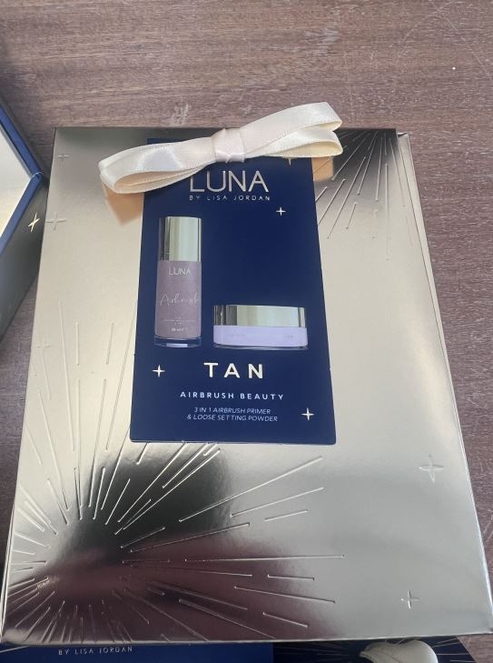
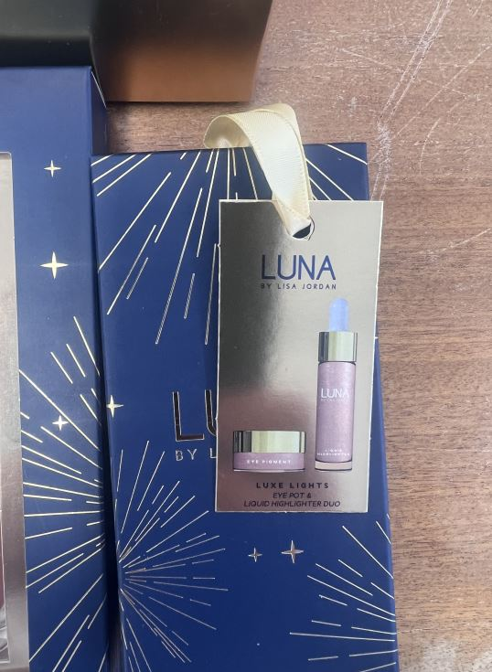
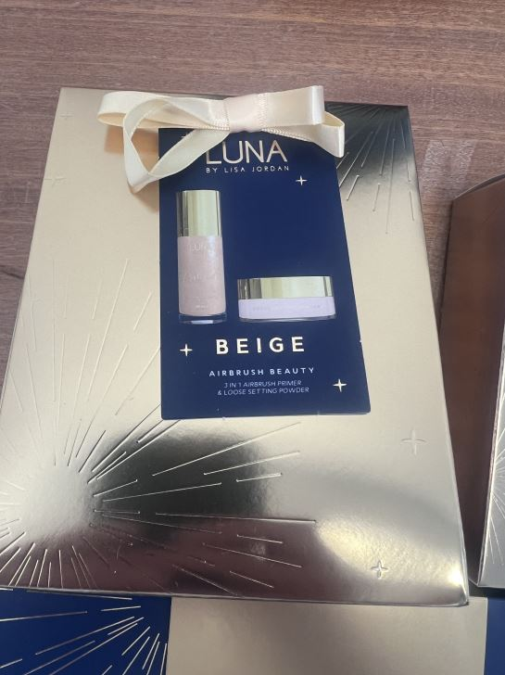
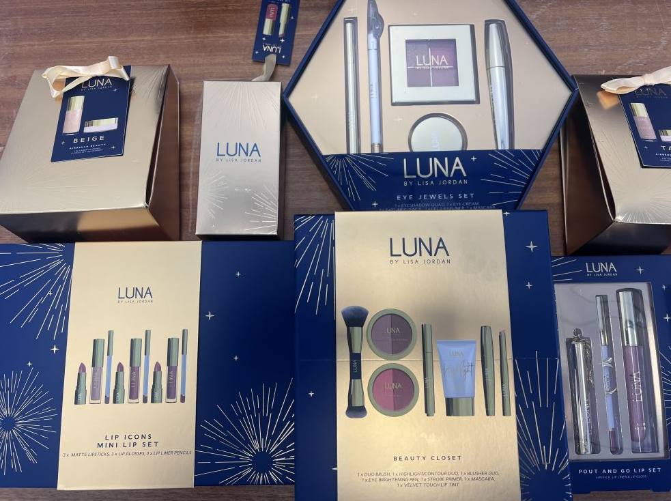
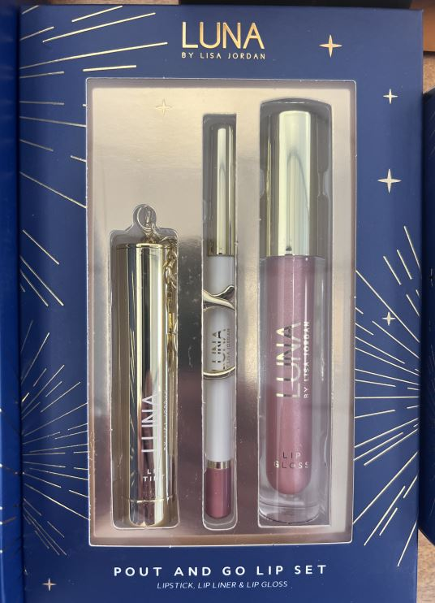
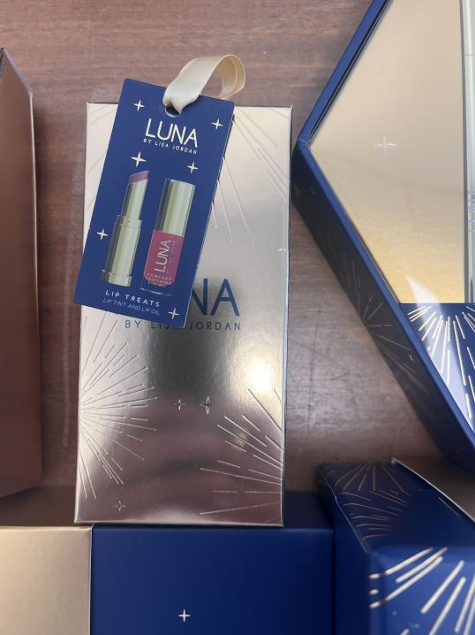
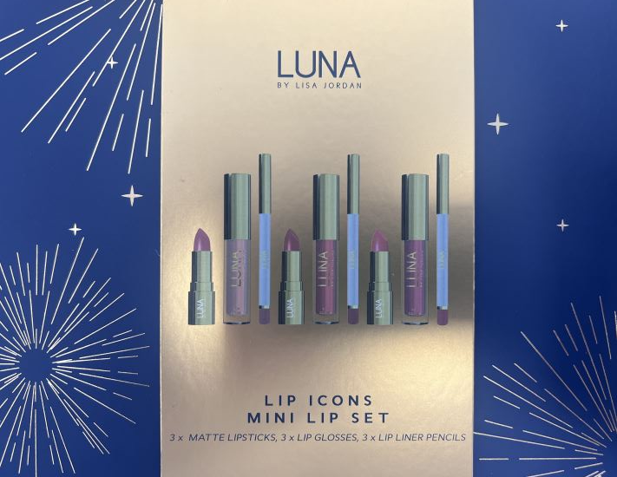
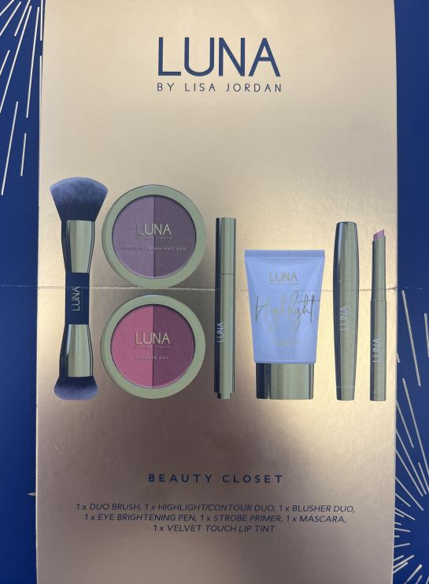
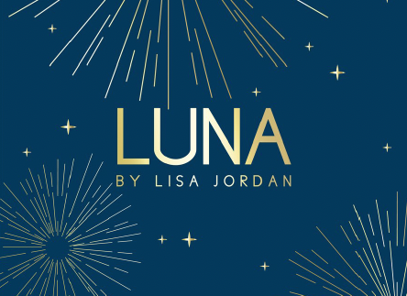

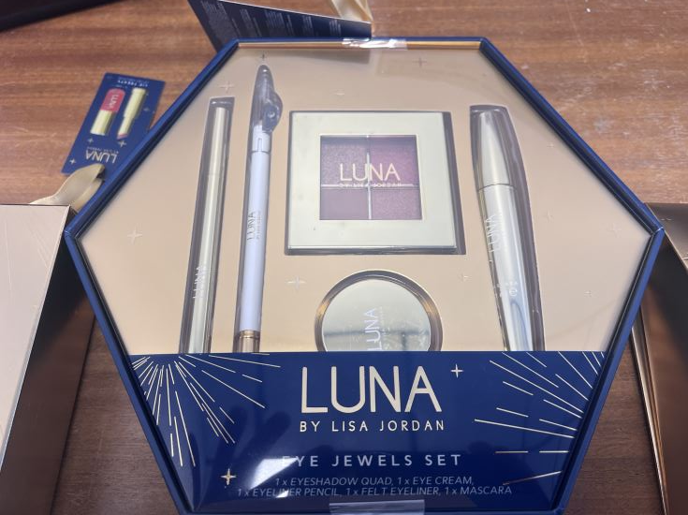
Product Code | Barcode (UNIT) | Case Size | Outer Barcode | Category | Brand | Product Name | Link | Qty | Take All | Total £
889001 | 5391532523651 | 6 | 5391532524375 | Makeup | Luna By Lisa Jordan | LIP TREATS GIFT SET | Link | 3,377 | £2.65 | £8,949.05
889002 | 5391532523668 | 6 | 5391532524382 | Makeup | Luna By Lisa Jordan | LUXE LIGHTS GIFT SET | Link | 4,450 | £2.65 | £11,792.50
889003 | 5391532523675 | 6 | 5391532524399 | Makeup | Luna By Lisa Jordan | POUT & GO GIFT SET | Link | 6,174 | £2.65 | £16,361.10
889005 | 5391532523781 | 6 | 5391532524412 | Makeup | Luna By Lisa Jordan | AIRBRUSH BEAUTY TAN GIFT SET | Link | 1,833 | £2.65 | £4,857.45
889006 | 5391532523705 | 6 | 5391532524429 | Makeup | Luna By Lisa Jordan | LIP ICONS GIFT SET | Link | 2,458 | £2.65 | £6,513.70
 |  |  |  |  |  |  |  | 18,292 |  | £48,473.80

